INTRO


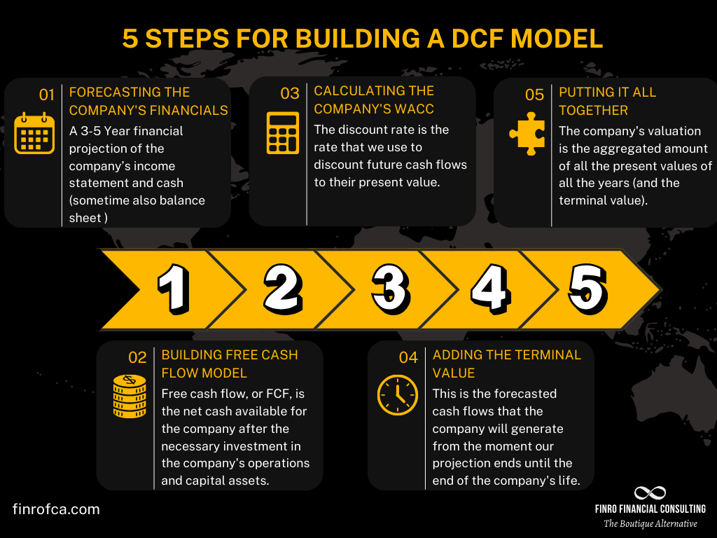
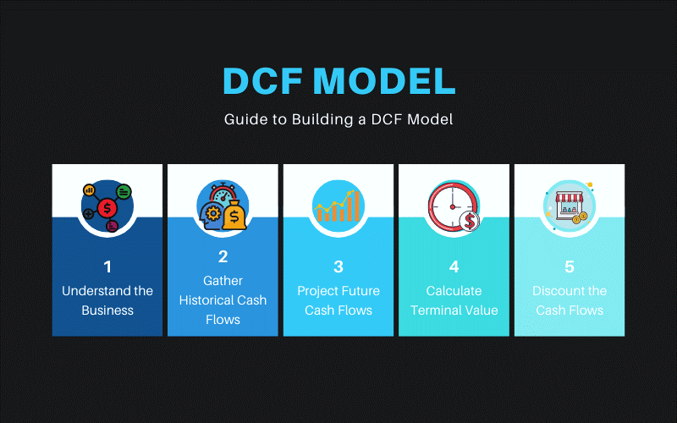

Note: Theoretical Q&A has been answered in the same file in different sheets. | Done by : KASI

QUES
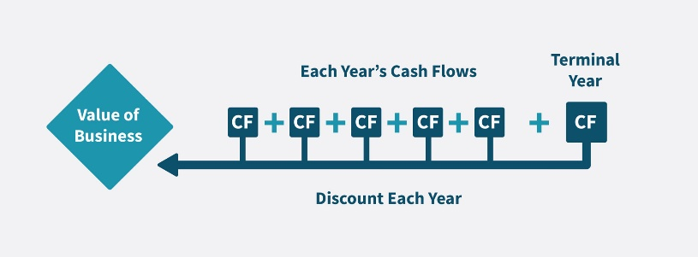
Discounted Cash Flow Modelling
Problem statement:
Your objective is to assess financial data to project future cash flows, calculate their current value, estimate the company's worth at a future point, and determine the present value of both future cash flows and the company's future worth to establish its overall valuation.
Dataset:
https://docs.google.com/spreadsheets/d/1UFDf6AfMybN1H3DjcSENIqZ1VExzOQ7fAUo9ySs_LbE/edit?usp=sharing
Expectations:
Utilizing the provided financial statements including the Income Statement, Balance Sheet, and Cash Flow Statement of a company, your task involves projecting free cash flows, determining the Weighted Average Cost of Capital (WACC) to discount future cash flows to present value, calculating the terminal value, discounting both free cash flows and the terminal value to present value, and ultimately deriving the company's valuation. Also, make sure to answer the questions listed in the sheet and below.
Overview of the steps:
* Forecasting Cash Flows:
Initiate by projecting free cash flows. Develop revenue projections, a fixed assets schedule, and a net working capital projection to establish future cash flow estimates.
* Weighted Average Cost of Capital (WACC) Computation:
Calculate the Weighted Average Cost of Capital (WACC) to discount all future cash flows back to their present value. This step is crucial for valuation.
* Terminal Value Determination:
Compute the terminal value, representing the company's worth beyond the forecast period. This value is a critical component in the valuation process.
* Enterprise Value Calculation:
Discount both the terminal value and the forecasted free cash flows to ascertain the enterprise value, using which calculate the valuation of the company.
Questions:
1. What factors can affect the composition of a company's current assets vs long-term assets?
2. How can a company's debt-to-equity ratio impact its creditworthiness and access to capital?
3. Debt-to-Equity Ratio: How has the debt-to-equity ratio changed over the four years? (take into consideration total liabilities and total equity)Is the company relying more on debt financing or equity financing?
4. Revenue Growth: How has the company's total revenue grown over the three years? What segments are driving this growth (merchandise sales, membership fees)?
5. Gross Margin: Calculate and compare the gross margin (consider total revenue and total operating expense) across the three years. Is the company able to maintain or improve its margins?
6. How can investors utilize free cash flow analysis to compare different companies in the same industry?

Q1-ans
What factors can affect the composition of a company's current assets vs. long-term assets?
The composition of a company’s current and long-term assets is influenced by several key factors:
Business Model: The type of business a company operates significantly affects its asset composition. Service-oriented businesses, like consulting firms, tend to have more current assets, such as cash and accounts receivable. In contrast, capital-intensive businesses, like manufacturing, invest heavily in long-term assets such as machinery and property.
Example: A consulting firm might have a lot of money tied up in receivables, while a manufacturing company would have substantial investments in factories and equipment.
Growth Stage: A company's stage of growth also plays a role. Startups and fast-growing companies often focus on increasing their current assets—like inventory and receivables—to fuel their expansion. On the other hand, mature companies with stable operations usually invest more in long-term assets, like real estate or intellectual property.
Example: A tech startup might prioritize building up its inventory and receivables, while a mature tech company could invest in patents or infrastructure.
Industry Characteristics: Different industries require different types of assets. For example, technology companies often have significant intangible assets, such as intellectual property. In contrast, industries like agriculture or construction rely more on tangible long-term assets, such as land and equipment.
Example: A pharmaceutical company might have large investments in R&D and patents, whereas a construction company would own a lot of machinery and land.
Financial Strategy: A company’s financial strategy also impacts its asset composition. Companies that prioritize liquidity and risk management may hold more current assets to cover short-term needs. Those focused on aggressive growth might invest heavily in long-term assets to support future expansion.
Example: A company preparing for economic uncertainty might keep a higher cash reserve, while one aiming for rapid growth might invest in new production facilities.
Gist: The balance between a company’s current and long-term assets reflects strategic choices influenced by its business model, stage of growth, industry requirements, and financial strategy.

Q2-ans
How can a company's debt-to-equity ratio impact its creditworthiness and access to capital?
The debt-to-equity ratio is a key indicator of a company’s financial health, and it directly affects its creditworthiness and access to capital.
Creditworthiness: A high debt-to-equity ratio means a company relies heavily on borrowed money compared to its own equity. This can worry lenders and investors because it suggests a higher risk of the company not being able to repay its debts, especially if the business hits tough times. As a result, the company might face lower credit ratings, higher interest rates on loans, and stricter borrowing terms.
Example: If a company has a high debt-to-equity ratio, it might have to pay more in interest and find it harder to get new loans, which could limit its financial flexibility.
Access to Capital: A lower debt-to-equity ratio indicates that a company is using more of its own equity to finance its operations, which signals financial stability and a lower risk of default. This can make it easier for the company to secure loans with favorable terms, like lower interest rates and larger credit lines. However, if a company has a very low debt-to-equity ratio, it might be seen as too cautious and could miss out on growth opportunities by not taking advantage of debt financing.
Example: A company with a lower debt-to-equity ratio might find it easier to get a loan with good terms, but if it’s too conservative, it might not grow as quickly as it could by taking on some debt.
GIST: A company’s debt-to-equity ratio significantly impacts its creditworthiness and ability to access capital. A balanced ratio is often best, ensuring the company can grow while maintaining financial stability.

Q3-ans
Q3) Debt-to-Equity Ratio: How has the debt-to-equity ratio changed over the four years? (take in considereation total liabilities and total equity)Is the company relying more on debt financing or equity financing?
To analyze the changes in the company's debt-to-equity ratio over the four years and determine whether the company is relying more on debt financing or equity financing, let's break it down:
Analysis:
* 2018 to 2019: The debt-to-equity ratio decreased from 2.12 to 1.91. This indicates that the company reduced its reliance on debt relative to equity during this period. It might have increased its equity or reduced its liabilities, suggesting a move towards more equity financing.
* 2019 to 2020: The ratio increased slightly from 1.91 to 1.97. This suggests a modest increase in reliance on debt financing. Although the increase is not substantial, it shows that the company began to shift back towards using more debt.
* 2020 to 2021: The debt-to-equity ratio increased significantly from 1.97 to 2.28. This substantial rise indicates that the company relied more heavily on debt financing in 2021 compared to equity.
Conclusion:
Over the four years, the company’s debt-to-equity ratio fluctuated but ultimately increased, moving from 2.12 in 2018 to 2.28 in 2021. This trend shows that the company is increasingly relying on debt financing rather than equity financing, particularly in the later years. The notable increase in 2021 suggests a significant shift towards debt, which could indicate strategic borrowing to fund growth or manage operations. However, this also means the company is taking on more financial risk as it becomes more leveraged.
GIST: The company has progressively increased its reliance on debt financing since 2019, with a significant rise in 2021.

Type | 2018 | 2019 | 2020 | 2021
Total liabilities | 27727 | 29816 | 36851 | 41190
Total equity | 13103 | 15584 | 18705 | 18078
Dept to Equity Ratio | 2.12 | 1.91 | 1.97 | 2.28

Q4-ans
Q4) Revenue Growth: How has the company total revenue grown over the three years? What segments are driving this growth (merchandise sales, membership fees)?
Revenue Growth Rate
Trend Analysis:
* 2019 to 2021: The company saw rapid revenue growth, driven mainly by a strong increase in merchandise sales, with membership fees contributing steadily but less significantly.
* 2022 and Beyond: The company is expected to continue growing, but at a slower pace as the market matures.
Type | 2019 | 2020 | 2021 | 2022 | 2023 | 2024 | 2025 | 2026 | merchandise contribution to Revenue | 97.80% | 97.88% | 98.02%
Merchandise Sales Revenue | 149351 | 163220 | 192052 | 210996 | 232096 | 252984 | 270693 | 284228 | in the forcasted years.
Membership Fee Revenue | 3352 | 3541 | 3877 | 4526 | 4979 | 5427 | 5806 | 6097
Total revenue | 152703 | 166761 | 195929 | 215522 | 237074 | 258411 | 276500 | 290324
Merchandise Sales Revenue Growth rate |  | 9.29% | 17.66% | 9.86% | 10.00% | 9.00% | 7.00% | 5.00%
Membership Fee Revenue Growth rate |  | 5.64% | 9.49% | 16.74% | 10.00% | 9.00% | 7.00% | 5.00%
Total revenue Growth rate |  | 9.21% | 17.49% | 10.00% | 10.00% | 9.00% | 7.00% | 5.00%
Revenue Growth Analysis:
Total Revenue Growth:
* From 2019 to 2021, the company's total revenue grew from $152,703 million to $195,929 million, reflecting a growth rate of 28.3% over three years.
* The revenue continued to increase in the forecasted years, reaching $215,522 million in 2022 and projected to rise to $290,324 million by 2026.
Merchandise Sales Revenue:
* Merchandise sales have been the primary driver of total revenue growth. From 2019 to 2021, merchandise sales revenue increased from $149,351 million to $192,052 million, a 28.6% growth.
* The projected merchandise sales continue to show steady growth, albeit at a decreasing growth rate, reflecting the maturing market.
Membership Fee Revenue:
* Membership fee revenue also contributed to the overall growth but to a lesser extent. From 2019 to 2021, membership fee revenue increased from $3,352 million to $3,877 million, a 15.6% growth.
* The forecasted growth shows a steady increase, with a higher growth rate in 2021, suggesting an expanding customer base or enhanced membership offerings.
Forecasted years Total Revenue Trend

 |  |  |  |  |  |  | 97.90%

Revenue Growth

Conclusion:
The company's total revenue has grown significantly over the three years, with merchandise sales being the primary driver of this growth. Membership fees have also contributed, particularly with an acceleration in growth starting in 2021. The trend suggests that while merchandise sales remain the dominant revenue source, membership fees are becoming an increasingly important component of the company's revenue stream.

Q5-ans
Q5) Gross Margin: Calculate and compare the gross margin (consider total revenue and total expense) across the three years. Is the company able to maintain or improve its margins?
Note:
Gross margin is not the same as gross profit:
* Gross profit :The amount of money a company has left after subtracting direct costs from its sales. It's expressed as a dollar amount.
* Gross margin : The percentage of a company's revenue that's left after subtracting direct costs. It's calculated by dividing gross profit by net sales and multiplying the result by 100. Gross margin is also sometimes called gross profit margin.
Type | 2019 | 2020 | 2021
Total Revenue | 152703 | 166761 | 195929
Total Expense | 147966 | 161326 | 189221
Gross Margin | 3.10% | 3.26% | 3.42%

Gross Margin with Total Revenue and Expense
Gross Margin Analysis:
Revenue and Expense Trends:
Revenue: The company's total revenue grew steadily from $152,703K in 2019 to $195,929K in 2021, demonstrating consistent revenue growth.
Expenses: Total expenses also increased from $147,966K in 2019 to $189,221K in 2021, reflecting rising operational costs.
Gross Margin Improvement:
2019: Gross margin was 3.10%.
2020: Gross margin improved to 3.26%.
2021: Gross margin further increased to 3.42%.
Conclusion:
The company has been able to improve its gross margin each year, despite rising expenses. This indicates that revenue growth has outpaced expense growth, allowing the company to generate higher profitability from its sales. The consistent improvement in gross margin reflects effective cost management and operational efficiency, signaling a positive trend in the company’s financial health.
Gist:The company’s gross margin has improved each year from 3.10% in 2019 to 3.42% in 2021. This shows that while both revenue and expenses increased, the company managed to enhance its profitability by growing revenue faster than expenses, reflecting improved operational efficiency.

Q6-ans
6) How can investors utilize free cash flow analysis to compare different companies in the same industry?
Utilizing Free Cash Flow (FCF) Analysis for Comparing Companies:
1. Assessing Financial Health and Stability:
Liquidity and Flexibility: Free Cash Flow (FCF) represents the cash a company generates from its operations after deducting capital expenditures. A high FCF indicates robust liquidity, allowing a company to comfortably cover dividends, reduce debt, and invest in growth without relying on external financing. When comparing companies, those with higher FCF are generally more attractive as they demonstrate greater financial stability and operational efficiency.
Operational Efficiency: Strong FCF suggests that a company effectively manages its operational costs and capital investments. This efficiency can signal a competitive edge, better cost control, and a stronger market position. Investors can prioritize companies with higher FCF as they are likely to have more resilience and flexibility in managing economic fluctuations.
2. Valuation and Growth Potential:
Valuation Models: FCF is crucial for valuation methods like the Discounted Cash Flow (DCF) model. By comparing FCF among companies, investors can estimate which firms are more likely to offer sustainable returns. Companies with consistent or growing FCF are generally valued higher because they are expected to generate more cash flow in the future, supporting long-term profitability and shareholder value.
Growth and Investment Opportunities: Companies with strong and growing FCF have the capacity to reinvest in their business, fund research and development, or expand operations. This potential for growth makes them attractive to investors who are looking for firms that can capitalize on opportunities and drive future earnings. Additionally, companies with stable FCF are better equipped to navigate downturns, making them less risky investments.
3. Comparative Analysis:
Industry Benchmarks: Investors should compare FCF metrics relative to industry peers to gauge how well a company performs against its competitors. Higher FCF relative to peers can indicate superior operational efficiency and financial management. Conversely, a lower FCF might suggest inefficiencies or higher capital expenditure requirements.
Historical Trends: Analyzing historical FCF trends provides insights into a company's performance consistency and potential for future growth. Companies with steadily increasing FCF demonstrate reliable financial health and growth potential, while fluctuating FCF might signal instability or operational challenges.
Gist: Investors can use Free Cash Flow analysis to compare companies by evaluating their liquidity, operational efficiency, and growth potential. Companies with higher and stable FCF are generally more attractive as they offer financial stability, better valuation prospects, and greater growth opportunities. Comparing FCF across industry peers and analyzing historical trends can further help in identifying the most promising investment opportunities.

